Example Compliance Metrics
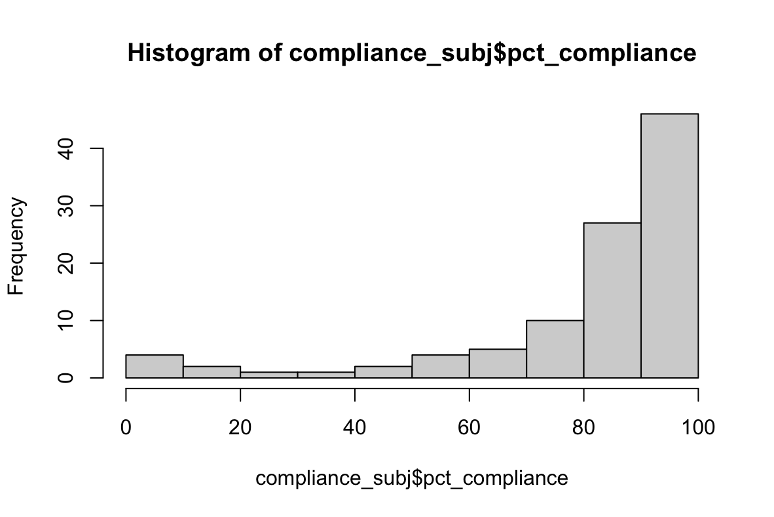
Compliance statistics as of MM/DD/YY:

N=109 participants completed EMA
Exclusions: N=4 with technical issues with Curious and N=3 official drop-outs
Total compliance (incl. all assessments regardless of “completeness”, N=102): 0.8059
N total assessments: 5951
Complete compliance (i.e. assessments that had answers to now_pain, which is the last question included in all surveys, N=100): 0.7700
N complete assessments: 4582

Survey duration | Compliance by Assessment Type |  | Compliance by DOW
All surveys (N=5951): | Morning Assessment (N=1486) | 79.41 | Monday (N=792) | 80.18
Median = 6.75 mins | Mid-day Assessment (N=1487) | 81.04 | Tuesday (N=863) | 80.19
Mean = 8.39 mins | Afternoon Assessment (N=1488) | 80.78 | Wednesday (N=888) | 82.55
SD = 7.64 mins | Evening Assessment (N=1490) | 81.14 | Thursday (N=888) | 82.32
Fully completed surveys (N=4582): |  |  | Friday (N=876) | 78.54
Median = 6.73 mins |  |  | Saturday (857) | 80.75
Mean = 7.96 mins |  |  | Sunday (N=787) | 79.42
SD = 6.32 mins

Compliance distribution
79 px had compliance >75%
7 px had compliance <25%

